Sheet1
Year | Quarter | Time | Actual Units Sold | Expected Level Et | Seasonal factor St | Forecast | Linear Trend | For first p period, the expected level is calculated as the average of the data of the first p periods. Seasonal factor is calculated as the difference of actual units and the expeced level in these first p periods.

2003 | 1 | 1 | 23 | 29 | -6 |  |  |  |  |  | alpha | 1
 | 2 | 2 | 25 | 29 | -4 |  |  |  |  |  | beta | 0.1064623852
 | 3 | 3 | 36 | 29 | 7
 | 4 | 4 | 31 | 29 | 2 |  |  |  |  |  | MSE | 26.1875
2004 | 1 | 5 | 26 | 32 | -6 | 20 | 26
Linear trend to fit additional seasonal model for stationary data
 | 2 | 6 | 28 | 32 | -4 | 24 | 30
 | 3 | 7 | 48 | 41 | 7 | 55 | 33
 | 4 | 8 | 36 | 34 | 2 | 38 | 37
2005 | 1 | 9 | 31 | 37 | -6 | 25 | 40
 | 2 | 10 | 42 | 46 | -4 | 38 | 44
 | 3 | 11 | 53 | 46 | 7 | 60 | 47
 | 4 | 12 | 43 | 41 | 2 | 45 | 51
2006 | 1 | 13 |  |  |  | 35 | 54
 | 2 | 14 |  |  |  | 37 | 57
 | 3 | 15 |  |  |  | 48 | 61
 | 4 | 16 |  |  |  | 43 | 64
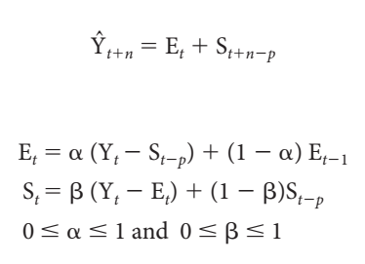

 |  |  |  |  |  |  |  |  | 22.a | The estimated regression function is y= 3.4643x + 8.9286

 |  |  |  |  |  |  |  |  | 22.b | The R^2 value implies that only 33.36% of the changes in sales is accounted for by the changes in the quarter.

 |  |  |  |  |  |  |  |  | 22.c

Linear trend predictions against the additive seasonal model data
 | Forecast | Linear Trend
5 | 20.25 | 26.25
6 | 24.25 | 29.714285714
7 | 55.25 | 33.178571429
8 | 38.25 | 36.642857143
9 | 25.25 | 40.107142857
10 | 38.25 | 43.571428571
11 | 60.25 | 47.035714286
12 | 45.25 | 50.5

 |  |  |  |  |  |  |  |  | 22.d | The line graph comparing the linear trend predictions againsts the original data of additive seasonal model is given above.

 |  |  |  |  |  |  |  |  | 22.e | The forecast for each quarter in 2006 using this technique is given in the table above in Linear Trend column in red text.

